Sheet1
S.np | Title | Authors | J.Name | Summ. | Adv. | Draw. | Nove, | Tech Used
1 | YOLOv4: Optimal Speed and Accuracy of Object Detection | Alexey Bochkovskiy, Chien-Yao Wang, Hong-Yuan Mark | YOLOv4: Optimal Speed and Accuracy of Object Detection | It has been proposed to use Convolutional neural network system. These papers have worked on this basic CNN with many modifications and feature implementations to make this network work faster. |  | Multi-task joint enhancement and multi-modular information combination. Because of the correlations between different assignments inside and outside object detection, perform multiple tasks joint enhancement has already been concentrated by numerous researchers. However, apart from the errands |  | Google Colab, Kaggle, YOLO, darknet,CNN, RCNN, Bounding Box
2 | You Only Look Once: Unified, Real-Time Object Detection | Joseph Redmon, Santosh Divvala, Ross Girshick, Ali Farhadi | You Only Look Once: Unified, Real-Time Object Detection | The system works on unifying several components of object detection into a single convolutional neural network. The network implements features from every single frame of the video or several images to construct each bounding box by prediction. This will also be implemented by predicting bounding boxes across all classes for a video. This results in the network reasoning globally about the full image and all the objects in the image. |  | Scale adaption. Objects for the most part exist in different scales, which is more apparent in face detection and pedestrian detection. To increase the robustness to scale transforms, it is requested to train scale-invariant, multi-scale or scaleadaptive detectors. For scale-invariant detectors, more powerful spine architectures (for example ResNext ), negative example mining , reverse association and subcategory modeling are altogether useful. |  | Google Colab, Kaggle, YOLO, darknet,CNN, RCNN, Bounding Box
3 | Object Detection with Deep Learning: A Review | Zhong-Qiu Zhao, Shou-tao Xu, Xindong Wu | Object Detection with Deep Learning: A Review | This paper also discusses further about the general performance of YOLO. It performs better than other modern algorithms such as DPM and RCNN, by a long shot when generalising on standard people art dataset. The present paper discusses upon the implementation and various fixes to improve the performance of YOLO algorithm. |  | Spatial correlations and logical modeling. Spatial distribution assumes an important role in object detection. So, region proposal generation and grid regression are taken to get probable object areas. However, the correlations between numerous proposals and object categories are ignored. |  | Google Colab, Kaggle, YOLO, darknet,CNN, RCNN, Bounding Box

Summary of Major working of Video Analysis by YOLO
1. LO (You Only Look Once), is a network for object detection. The object detection task consists in determining the location on the image where certain objects are present, as well as classifying those objects
2. Bounding box Generation-Each grid cell predicts B bounding boxes as well as C class probabilities. The bounding box prediction has 5 components: (x, y, w, h, confidence). The (x, y) coordinates represent the center of the box, relative to the grid cell location

 |  | Yolo analyzes by dividing image into bounding boxes
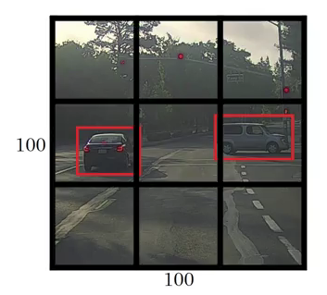

3.Once you understand how the predictions are encoded, the rest is easy. The network structure looks like a normal CNN, with convolutional and max pooling layers, followed by 2 fully connected layers in the end:
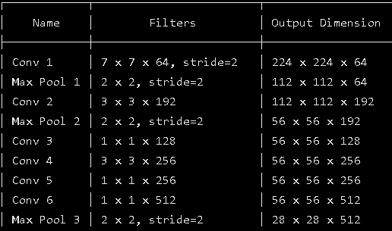

4. The Loss Function-This equation computes the loss related to the predicted bounding box position (x,y). Don’t worry about λ for now, just consider it a given constant.
5. Training-
 | i. First, pretrain the first 20 convolutional layers using the ImageNet 1000-class competition dataset, using a input size of 224x224
 | ii. Then, increase the input resolution to 448x448
 | iii. Train the full network for about 135 epochs using a batch size of 64, momentum of 0.9 and decay of 0.0005
 | iv. Learning rate schedule: for the first epochs, the learning rate was slowly raised from 0.001 to 0.01. Train for about 75 epochs and then start decreasing it.
 | v. Use data augmentation with random scaling and translations, and randomly adjusting exposure and saturation.

6. Network Architecture and Training:
 | i. Differential weight for confidence predictions from boxes that contain object and boxes that dont contain object during training.
 | ii. predict the square root of the bounding box width and height to penalize error in small object and large object differently.

7.Error analysis of YOLO compared to Fast R-CNN shows that YOLO makes a significant number of localization errors. Furthermore, YOLO has relatively low recall compared to region proposal-based methods. Thus we focus mainly on improving recall and localization while maintaining classification accuracy.
8. Convolutional With Anchor Boxes. YOLO predicts the coordinates of bounding boxes directly using fully connected layers on top of the convolutional feature extractor. Predicting offsets instead of coordinates simplifies the problem and makes it easier for the network to learn
9. We remove the fully connected layers from YOLO and use anchor boxes to predict bounding boxes. Using anchor boxes we get a small decrease in accuracy. YOLO only predicts 98 boxes per image but with anchor boxes our model predicts more than a thousand.
10. During training we mix images from both detection and classification datasets. When our network sees an image labelled for detection we can backpropagate based on the full YOLOv4 loss function.

